Sheet1
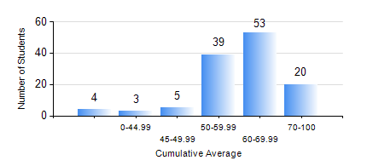
 |  |  | KWAME NKRUMAH UNIVERSITY OF SCIENCE AND TECHNOLOGY, KUMASI Department of Chemical Engineering

 |  |  | BSC. CHEMICAL ENG.

 |  |  | COMPREHENSIVE RECORD OF EXAMINATION RESULTS

 |  |  | RESULTS OF YEAR 2 SECOND SEMESTER, 2018/2019 ACADEMIC YEAR

 | Sn | Course Code |  | Course Name | Credit Hours | Min. Mark | Max. Mark | Avg. Mark | Std. Dev. | No. Passed | No. Trailed | No. (Df) | No. (I) | No. (I*) | No. Tagged(I,I*,Df) | Total
 | 0. |  |  |  |  |  |  | 0 | 0 | 0 | 0 | 0 | 0 | 0 | 0 | 15
 | 1. | CHE 250 |  | STRENGTH OF MATERIALS FOR CHEMICAL ENGINEERS | 2 | 33 | 96 | 70 | 14.54 | 107 | 2 | 0 | 0 | 0 | 0 | 109
 | 2. | CHE 252 |  | CHEMICAL PROCESS CALCULATIONS II | 2 | 27 | 92 | 62 | 14.12 | 106 | 3 | 0 | 0 | 0 | 0 | 109
 | 3. | CHE 254 |  | CHEMICAL ENGINEERING THERMODYNAMICS II | 2 | 17 | 91 | 57 | 14.8 | 101 | 8 | 0 | 0 | 0 | 0 | 109
 | 4. | CHE 256 |  | HEAT TRANSPORT PROCESSES | 3 | 11 | 95 | 62 | 14.77 | 104 | 5 | 0 | 0 | 0 | 0 | 109
 | 5. | CHE 258 |  | DRAWING FOR ENGINEERS | 2 | 36 | 80 | 57 | 7.82 | 108 | 1 | 0 | 0 | 0 | 0 | 109
 | 6. | CHEM 280 |  | PRACTICAL CHEMISTRY II | 3 | 53 | 89 | 76 | 7.72 | 109 | 0 | 0 | 0 | 0 | 0 | 109
 | 7. | MATH 252 |  | CALCULUS OF SEVERAL VARIABLES | 4 | 20 | 93 | 64 | 9.89 | 107 | 2 | 0 | 0 | 0 | 0 | 109

